COR
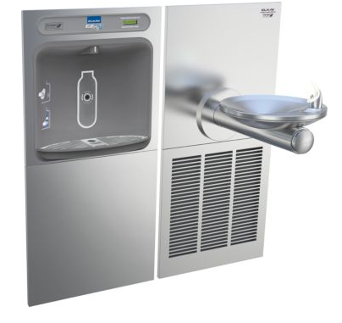
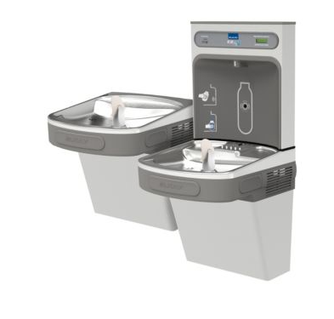
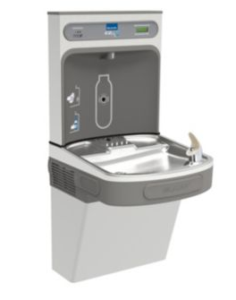
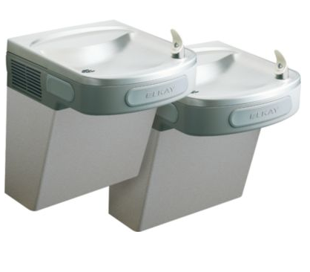
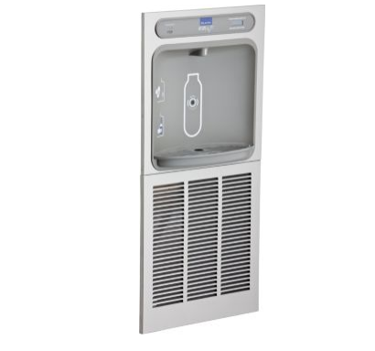
 |  |  |  |  |  |  | PROJECT: | CORA
 |  |  |  |  |  |  | DATE: | 2016-10-31
 |  |  |  |  |  |  | RFI/ASI:

DESCRIPTION OF CHANGE/WORK PERFORMED

ADD SINK TO AMENITY LOUNGE

 |  | Labor |  |  |  | Material/Equipment |  |  |  | SUB TIER
Item | Description | Quan | UOM | Unit Cost | Total | Quan | UOM | Unit Cost | Total | UOM | Total

 | IMAGING & CORE DRILLING | 1.0 | HRS | $80.00 | $80 |  |  |  |  | LS | $350.00
 | LAYOUT WASTE/VENT/WATER PIPING | 1.0 | HRS | $80.00 | $80 |  |  |  | $0
 | INSTALL NEW WASTE/VENT LINES | 3 | HRS | $60.50 | $182 | 45 | LF | $1.85 | $83
 | INSTALL NEW WATER LINE | 1 | HRS | $60.50 | $61 | 15 | LF | $0.50 | $8
 | SHUTOFFS |  |  |  |  | 2 | EA | $15.00 | $30
 | FITTINGS/HANGERS/WALL SUPPORTS |  |  |  |  | 1 | LOT | $75.00 | $75
 | TRIM LABOR | 1 | HRS | $60.50 | $61 |  |  |  | $0
 | ELKAY ELUHAD211550 SINK |  |  |  |  | 1 | EA | $200.00 | $200
 | DELTA 9959-CZ-DST |  |  |  |  | 1 | EA | $275.00 | $275
 | ICEMAKER | 2 | HRS | $60.50 | $121 | 1 | EA | $35.00 | $35
 | DISHWASHER | 2 | HRS | $60.50 | $121 | 1 | EA | $15.00 | $15
 | SUPERVISION | 1 | HRS | $80.00 | $80
 | Subtotals |  |  |  | $785 |  |  |  | $721 |  | $350
 | OH & Profit |  |  | 15% | $118 |  |  | 15% | $108 | 15% | $52.50
 | Totals |  |  |  | $902 |  |  |  | $829 |  | $402.50
 | Total this item
 | 2,134

